Sheet1
 | 2010 | ₹18,500 |  |  | 38542.066667
 | 2010 | ₹26,400 | ₹7,900 | 42.70%
 | 2010 | ₹31,050 | ₹4,650 | 17.61%
 | 2010 | ₹29,600 | (₹1,450) | -4.67%
 | 2010 | ₹28,006 | (₹1,594) | -5.39%
 | 2010 | ₹26,343 | (₹1,663) | -5.94%
 | 2010 | ₹28,623 | ₹2,280 | 8.66%
 | 2010 | ₹29,667 | ₹1,044 | 3.65%
 | 2010 | ₹31,438 | ₹1,771 | 5.97%
 | 2010 | ₹35,220 | ₹3,782 | 12.03%
 | 2010 | ₹48,651 | ₹13,431 | 38.13%
 | 2010 | ₹48,720 | ₹69 | 0.14%
 | 2010 | ₹52,670 | ₹3,950 | 8.11%
 | 2010 | ₹65,330 | ₹12,660 | 24.04%
 | 2010 | ₹77,913
 | Year | Gold Price (₹/10g) | YOY difference | YOY Percentage (%/y)
 | 2010 | ₹18,500
 | 2010 | ₹26,400 | ₹7,900 | 42.70%
 | 2010 | ₹31,050 | ₹4,650 | 17.61%
 | 2010 | ₹29,600 | (₹1,450) | -4.67%
 | 2010 | ₹28,006 | (₹1,594) | -5.39%
 | 2010 | ₹26,343 | (₹1,663) | -5.94%
 | 2010 | ₹28,623 | ₹2,280 | 8.66%
 | 2010 | ₹29,667 | ₹1,044 | 3.65%
 | 2010 | ₹31,438 | ₹1,771 | 5.97%
 | 2010 | ₹35,220 | ₹3,782 | 12.03%
 | 2010 | ₹48,651 | ₹13,431 | 38.13%
 | 2010 | ₹48,720 | ₹69 | 0.14%
 | 2010 | ₹52,670 | ₹3,950 | 8.11%
 | 2010 | ₹65,330 | ₹12,660 | 24.04%
 | 2010 | ₹77,913
Year | Gold Price (₹/10g) | YOY difference | YOY Percentage (%/y) | yoy avg
2010 | ₹ 18,500 |  |  | ₹ 38,542.07
2010 | ₹ 26,400 | ₹ 7,900 | 42.70%
2010 | ₹ 31,050 | ₹ 4,650 | 17.61%
2010 | ₹ 29,600 | ₹ -1,450 | -4.67%
2010 | ₹ 28,006 | ₹ -1,594 | -5.39%
2010 | ₹ 26,343 | ₹ -1,663 | -5.94%
2010 | ₹ 28,623 | ₹ 2,280 | 8.66%
2010 | ₹ 29,667 | ₹ 1,044 | 3.65%
2010 | ₹ 31,438 | ₹ 1,771 | 5.97%
2010 | ₹ 35,220 | ₹ 3,782 | 12.03%
2010 | ₹ 48,651 | ₹ 13,431 | 38.13%
2010 | ₹ 48,720 | ₹ 69 | 0.14%
2010 | ₹ 52,670 | ₹ 3,950 | 8.11%
2010 | ₹ 65,330 | ₹ 12,660 | 24.04%
2010 | ₹ 77,913

Sheet2
Year | Silver Price | yoy diff | yoy % growth
2010 | ₹ 27,255 | —
2011 | ₹ 56,900 | ₹ 29,645 | 109%
 | Year | Silver Price | yoy diff | yoy % growth
 | 2010 | ₹27,255 | ₹0
 | 2011 | ₹56,900 | ₹29,645 | 109%
 | 2012 | ₹56,290 | (₹610) | -1%
 | 2013 | ₹54,030 | (₹2,260) | -4%
 | 2014 | ₹43,070 | (₹10,960) | -20%
 | 2015 | ₹37,825 | (₹5,245) | -12%
 | 2016 | ₹36,990 | (₹835) | -2%
 | 2017 | ₹37,825 | ₹835 | 2%
 | 2018 | ₹41,400 | ₹3,575 | 9%
 | 2019 | ₹40,600 | (₹800) | -2%
 | 2020 | ₹63,435 | ₹22,835 | 56%
 | 2021 | ₹62,572 | (₹863) | -1%
 | 2022 | ₹55,100 | (₹7,472) | -12%
 | 2023 | ₹78,600 | ₹23,500 | 43%
 | 2024 | ₹95,700 | ₹17,100 | 22%
2012 | ₹ 56,290 | ₹ -610 | -1%
2013 | ₹ 54,030 | ₹ -2,260 | -4%
2014 | ₹ 43,070 | ₹ -10,960 | -20%
2015 | ₹ 37,825 | ₹ -5,245 | -12%
2016 | ₹ 36,990 | ₹ -835 | -2%
2017 | ₹ 37,825 | ₹ 835 | 2%
2018 | ₹ 41,400 | ₹ 3,575 | 9%
2019 | ₹ 40,600 | ₹ -800 | -2%
2020 | ₹ 63,435 | ₹ 22,835 | 56%
2021 | ₹ 62,572 | ₹ -863 | -1%
2022 | ₹ 55,100 | ₹ -7,472 | -12%
2023 | ₹ 78,600 | ₹ 23,500 | 43%
2024 | ₹ 95,700 | ₹ 17,100 | 22%

Sheet5
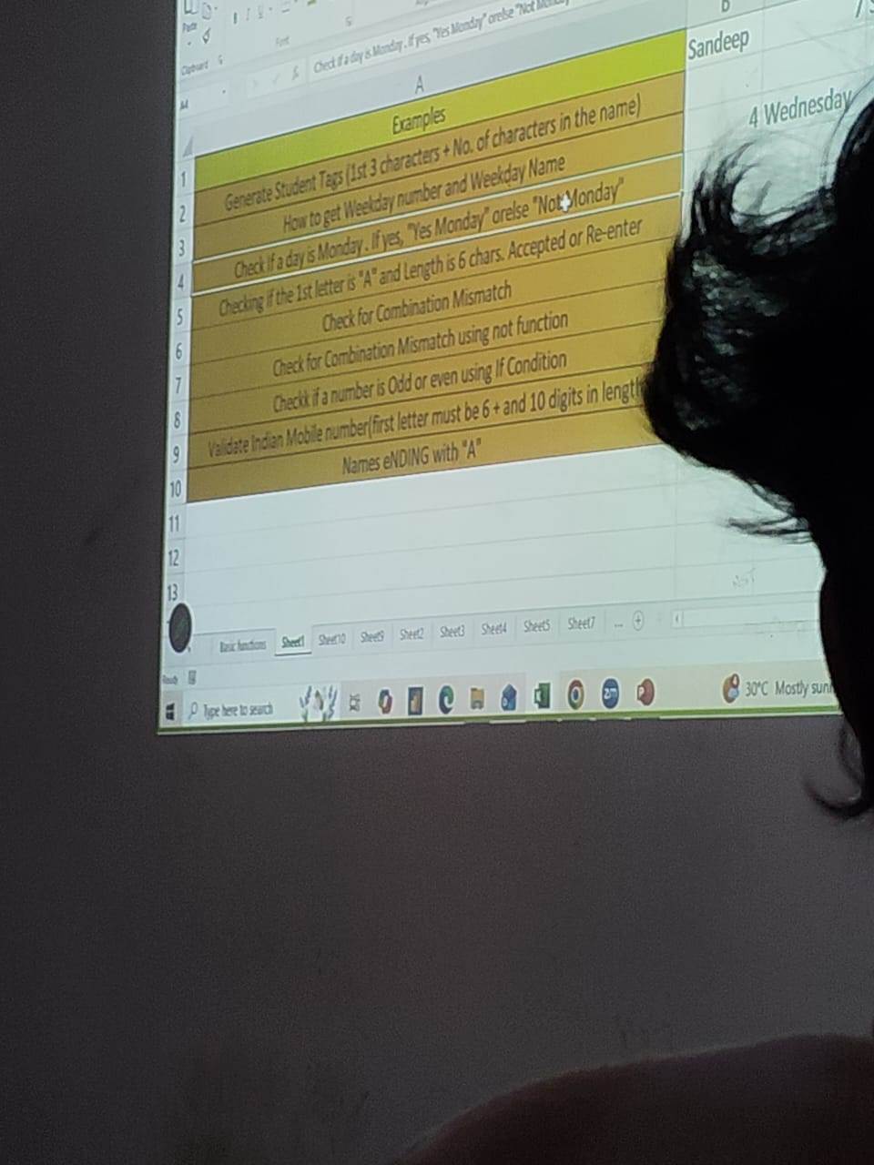
LOGICAL OPERATOR
AND |  |  |  | OR | NOT | PRACTIES THIS IS QUESTION AND PROVIDED THE MORE KNOWLEDGES THIS QUESTION
0 | 0 | FALSE | FALSE
0 | 1 | FALSE | TRUE |  |  |  | 1 | SANDEEP | SAN7
1 | 0 | FALSE | TRUE |  |  |  | 2 | 2026-05-22 | 5 | Friday
1 | 1 | TRUE | TRUE |  |  |  | 3 | 5/22/26 | NOT MONDAY
 |  |  |  |  |  |  | 4 | AMANRAJ | ACCEPT
 |  |  |  |  |  |  | 5 | DEVENDRA | KUSHWAH | MATCH
 |  |  |  |  |  |  | 6 | SYAM | SUNDAR | MATCH
 |  |  |  |  |  |  | 7 | 45 | ODD
 |  |  |  |  |  |  | 8 | 9461776105 | Valid
CONDITIONAL STATEMENT |  |  |  |  |  |  | 9 | DEVENDRA | YES
IF CONDITIONAL |  |  |  |  |  |  | 10

 |  |  | 10 | NO
 |  |  | 34 | NO
 |  |  | 65 | YES
 |  |  | 87 | YES
 |  |  | 34 | NO
 |  |  | 65 | YES
 |  |  | 12 | NO |  |  |  |  | 2:40PM |  | #VALUE!
 |  |  | 98 | YES
 |  |  | 45 | NO

Sheet6
Emp ID | Name | Department | Join date | Salary | Bonus Eligible | Performance | Calculate bonus | Nested if example | Calculate the growth salary performance bases | salary growth bonus by bonus | salary growth performance bases | final bonus | total salary growth performance base | Experience calculation | calculate the department wise analysis | High Salary Employee | Bonus Eligible Validation | Salary Hike Percentage
101 | Sneha | Sales | 01/01/2024 | 59084 | No | Excellent | 0 | 11816.8 | 76809.2 | 70900.8 | 135893.2 | 59084 | 70900.8 | 2 | 1 | Normal | Normal Bonus | 0.062131880035
102 | Sneha | HR | 02/01/2024 | 62755 | No | Average | 0 | 18826.5 | 75306 | 75306 | 138061 | 62755 | 81581.5 | 2 | 0 | High Salary | Normal Bonus | -8.2336068839
103 | Arjun | IT | 30/07/2023 | 57588 | Yes | Excellent | 11517.6 | 11517.6 | 74864.4 | 74864.4 | 132452.4 | 69105.6 | 69105.6 | 2 | 0 | Normal | High Bonus | 2.3042995068
104 | Priya | Finance | 15/11/2020 | 58915 | No | Poor | 0 | 11783 | 58915 | 70698 | 58915 | 58915 | 70698 | 5 | 0 | Normal | Normal Bonus | 7.6924382585
105 | Kavitha | Sales | 12/10/2023 | 63447 | No | Good | 0 | 19034.1 | 69791.7 | 76136.4 | 133238.7 | 63447 | 82481.1 | 2 | 0 | High Salary | Normal Bonus | -27.879962804
106 | Manoj | IT | 25/01/2022 | 45758 | Yes | Excellent | 9151.6 | 4575.8 | 59485.4 | 59485.4 | 105243.4 | 54909.6 | 50333.8 | 4 | 1 | Normal | High Bonus | 35.744569256
107 | Aisha | HR | 30/04/2024 | 62114 | No | Good | 0 | 18634.2 | 68325.4 | 74536.8 | 130439.4 | 62114 | 80748.2 | 2 | 0 | High Salary | Normal Bonus | -0.51035193354
108 | Tarun | Finance | 15/11/2023 | 61797 | Yes | Average | 12359.4 | 18539.1 | 74156.4 | 80336.1 | 135953.4 | 74156.4 | 80336.1 | 2 | 0 | High Salary | Normal Bonus | -18.368205576
109 | Pavan | IT | 09/12/2024 | 50446 | No | Excellent | 0 | 10089.2 | 65579.8 | 60535.2 | 116025.8 | 50446 | 60535.2 | 1 | 1 | Normal | Normal Bonus | 14.98433969
110 | Eshwar | HR | 31/08/2021 | 58005 | Yes | Average | 11601 | 11601 | 69606 | 75406.5 | 127611 | 69606 | 69606 | 4 | 0 | Normal | Normal Bonus | -100

SALARY GROWTH PERFORMANCE BASE AND BONUS
 | Calculate the growth salary performance bases | salary growth bonus by bonus | salary growth performance bases | final bonus | total salary growth performance base | Experience calculation
 | 76809.2 | 70900.8 | 135893.2 | 59084 | 70900.8 | 2
 | 75306 | 75306 | 138061 | 62755 | 81581.5 | 2
 | 74864.4 | 74864.4 | 132452.4 | 69105.6 | 69105.6 | 2
 | 58915 | 70698 | 58915 | 58915 | 70698 | 5
 | 69791.7 | 76136.4 | 133238.7 | 63447 | 82481.1 | 2
 | 59485.4 | 59485.4 | 105243.4 | 54909.6 | 50333.8 | 4
 | 68325.4 | 74536.8 | 130439.4 | 62114 | 80748.2 | 2
 | 74156.4 | 80336.1 | 135953.4 | 74156.4 | 80336.1 | 2
 | 65579.8 | 60535.2 | 116025.8 | 50446 | 60535.2 | 1
 | 69606 | 75406.5 | 127611 | 69606 | 69606 | 4
 |  |  |  |  |  |  |  |  |  |  |  | CHART SHOW THE SALARY
SALARY BONUS STATUS
Normal Bonus | 0.062131880035
Normal Bonus | -8.2336068839
High Bonus | 2.3042995068
Normal Bonus | 7.6924382585
Normal Bonus | -27.879962804
High Bonus | 35.744569256
Normal Bonus | -0.51035193354
Normal Bonus | -18.368205576
Normal Bonus | 14.98433969
Normal Bonus | -100

 |  |  |  |  |  |  |  |  |  |  |  |  |  | +919461776105
 |  |  |  |  |  |  |  |  |  |  |  |  |  | YES A INDIAN MOBILE NUMBER

